01_Static_Object
Test Results |  |  |  |  |  | Video | Comment
ID | Description | Autel | H3M | Preco | Screenshoot
0121 | Pass parked vehicles with a constant speed; v < 30km/h | No Alert | No Alert | False Alert Right Side < 1m Alert Duration: 00:00:02 - | 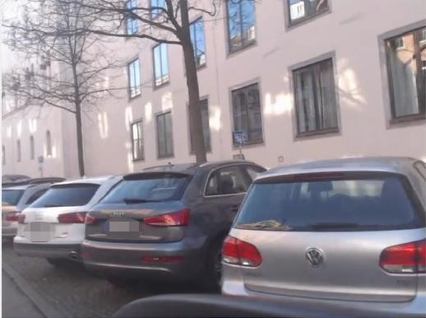 | 0121
0102 | Awaiting for traffic light while stop; v = 0km/h | No Alert | False Alert - Alert Duration: 00:00:02 - 00:00:13 | No Alert | 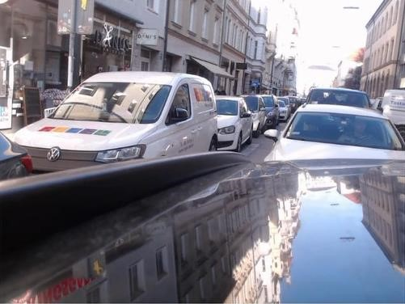 | 0102
0127 | Pass a standing pedestrian while decelerating; v < 30km/h | No Alert | False Alert Righ Side < 5m Alert Duration: 00:00:05 - 00:00:07 | No Alert | 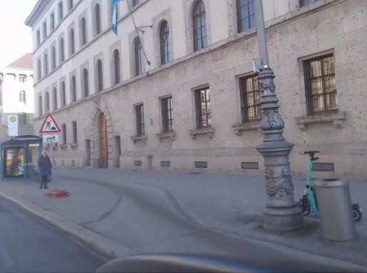 | 0127
0128 | Pass a standing pedestrian while decelerating; v < 30km/h | No Alert | False Alert Righ Side < 5m Alert Duration: 00:00:05 - 00:00:10 | No Alert | 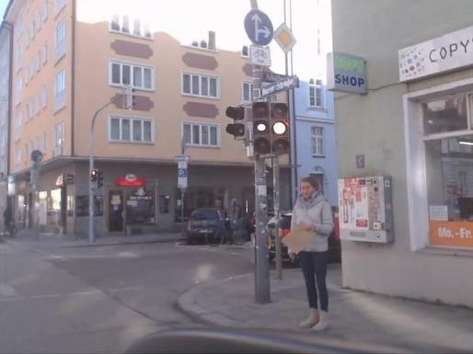 | 0128
0122 | Pass objects with a constant speed; v < 30km/h | No Alert | Alert Right Rear < 10m Alert Duration: 00:00:00 - 00:00:01 | False Alert Right Front < 1m Alert Duration: 00:00:00 - | 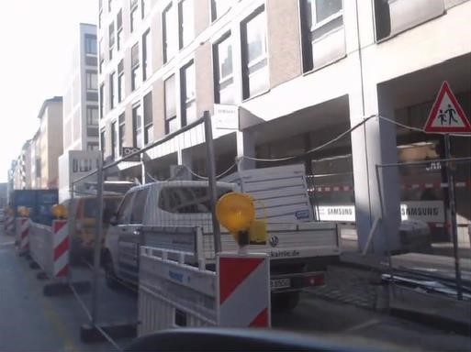 | 0122 | H3M reacted on the pedestrian, when they ware already fall behind and got away from ego vehicle, which is unnecessary.
0116 | Pass pedestrians with a constant speed; v < 30km/h | No Alert | False Alert Right Side < 5m Alert Duration: 00:00:02 - 00:00:10 | No Alert | 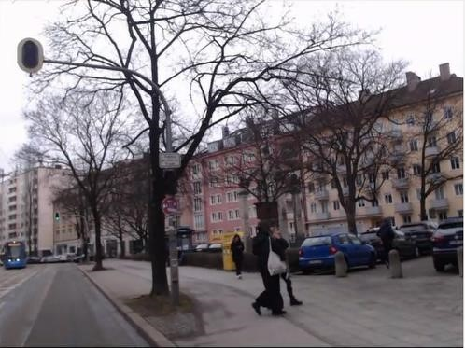 | 0116

02_Bicycle_Lane
Test Results |  |  |  |  |  | Video | Comment
ID | Description | Autel | H3M | Preco | Screenshoot
0202 | Overtake a cyclist while accelerating; v < 30km/h | Alert Right Front < 5m Alert Duration: 00:00:03 - 00:00:05 | Missing Alert | Missing Alert | 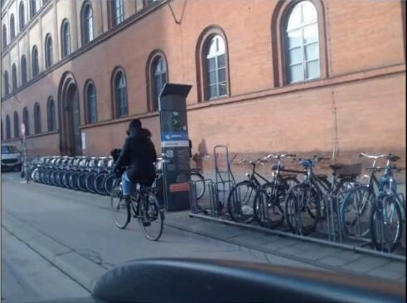 | 0202
0220 | Approached by cyclists while stop; v = 0km/h | Alert Right Rear < 15m Alert Duration: 00:00:04 - 00:00:17 | Delayed Alert Right Side < 5m Alert Duration: 00:00:08 - 00:00:15 | Delayed Alert Right Side < 5m Alert Duration: 00:00:10 - | 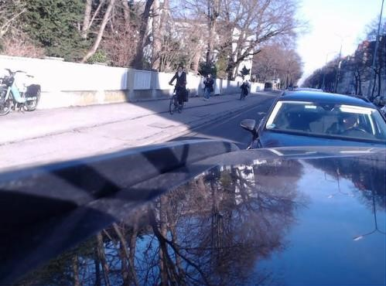 | 0220
0216 | Approached by a cyclist while stop; v = 0km/h | Alert Right Rear < 5m Alert Duration: 00:00:05 - 00:00:07 | Alert Right Rear < 5m Alert Duration: 00:00:04 - 00:00:08 | Delayed Alert Right Side 1m Alert Duration: 00:00:06 - 00:00:09 | 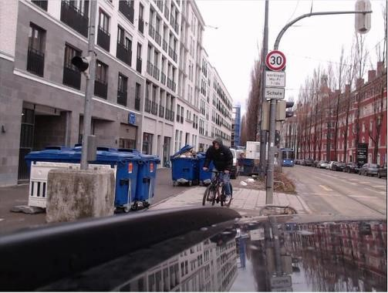 | 0216 | Autel also detected the cyclist early, but triggered alert only when the target approached close enough.
0218 | Approached by a cyclist while stop; v = 0km/h | Alert Right Rear < 15m Alert Duration: 00:00:07 - 00:00:13 | Delayed Alert Right Rear < 10m Alert Duration: 00:00:10 - 00:00:13 | Delayed Alert Right Rear 1m Alert Duration: 00:00:11 - 00:00:15 | 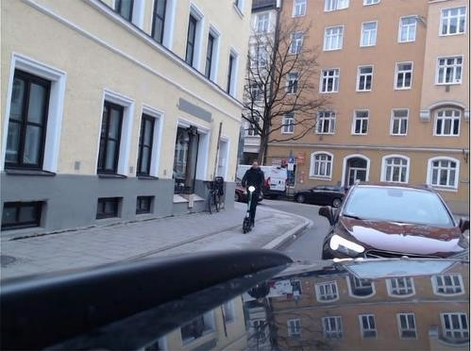 | 0218
0206 | Approach a cyclist while decelerating; v < 30km/h | Alert Right Front < 5m Alert Duration: 00:00:06 - 00:00:09 | Missing Alert | Missing Alert | 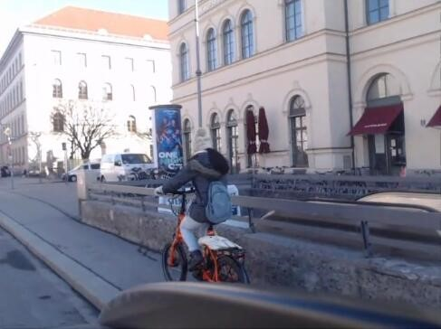 | 0206 | Autel detected the cyclist early, but triggered alert only when the ego vehicle speed came under 30km/h.
0215 | Approached by a cyclist while decelerating; v < 30km/h | Alert Right Rear < 5m Alert Duration: 00:00:05 - 00:00:07 | Alert Right Rear < 10m Alert Duration: 00:00:04 - | Delayed Alert Right Rear < 5m Alert Duration: 00:00:06 - | 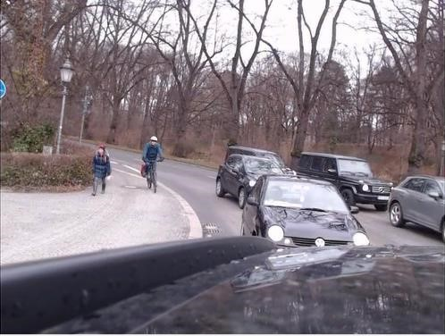 | 0215 | Autel also detected the cyclist early, but triggered alert only when the target approached close enough.

03_Bicycle_Lane_Covered
Test Results |  |  |  |  |  | Video | Comment
ID | Description | Autel | H3M | Preco | Screenshoot
0302 | Approached by a cyclist while starting; v < 30km/h | Short Alert Right Rear < 10m Alert Duration: 00:00:02 - 00:00:04 | Missing Alert | Short Alert Right Rear < 10m Alert Duration: 00:00:01 - 00:00:03 | 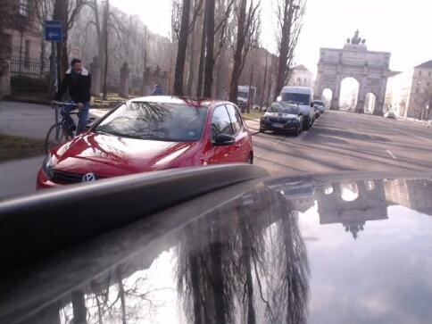 | 0302
0303 | Approached by a cyclist while decelerating; v < 30km/h | Short Alert Right Rear < 5m Alert Duration: 00:00:05 - 00:00:06 00:00:06 - 00:00:08 | Missing Alert | Missing Alert | 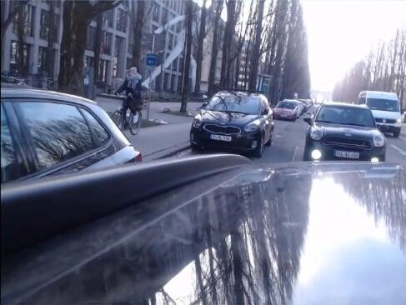 | 0303 | Autel reacted on the approaching vehicle from behind at timestemp 00:00:05; Autel detected then the cyclist, when passing the gap of two parked vehicles.

04_Bicycle_Lane_Disturbed
Test Results |  |  |  |  |  | Video | Comment
ID | Description | Autel | H3M | Preco | Screenshoot
0403 | Overtake a cyclist while accelerating; v < 30km/h | Alert Right Rear < 15m Alert Duration: 00:00:03 - 00:00:04 | Missing Alert | Missing Alert | 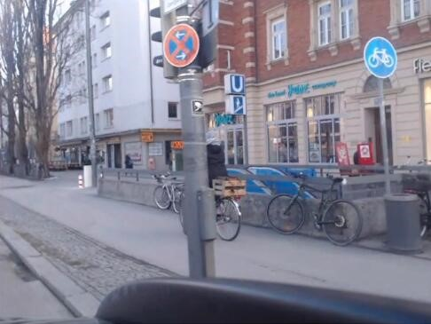 | 0403
0408 | Approached by a cyclist while stop; v = 0km/h | Alert Right Rear < 10m Alert Duration: 00:00:03 - 00:00:07 | Delayed Alert Right Rear < 5m Alert Duration: 00:00:05 - 00:00:08 | Alert Right Rear < 10m Alert Duration: 00:00:03 - | 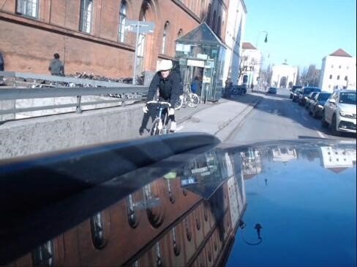 | 0408
0409 | Approached by a cyclist while starting, then overtake the cyclist; v < 30km/h | Alert Right Side < 5m Alert Duration: 00:00:02 - 00:00:09 | Alert Right Side < 5m Alert Duration: 00:00:02 - 00:00:06 | Delayed Alert Right Side 1m Alert Duration: 00:00:03 - 00:00:09 | 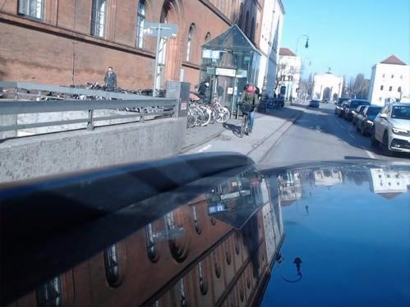 | 0409

05_Traffic_Light_Starting
Test Results |  |  |  |  |  | Video | Comment
ID | Description | Autel | H3M | Preco | Screenshoot
0501 | Overtake cyclists while accelerating; v < 30km/h | Alert Right Front < 10m Alert Duration: 00:00:05 - 00:00:06 | Missing Alert | Missing Alert | 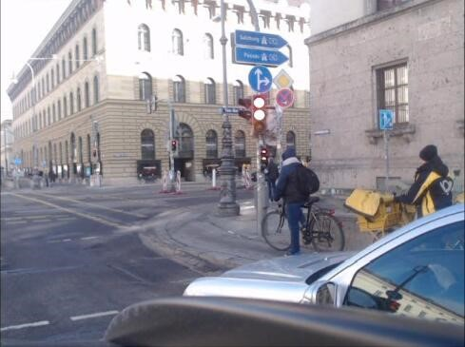 | 0501
0503 | Overtake cyclists while accelerating; v < 30km/h | Alert Right Side < 5m Alert Duration: 00:00:09 - 00:00:10 | Unnecessary Alert Right Rear < 10m Alert Duration: 00:00:11 - 00:00:16 | Missing Alert | 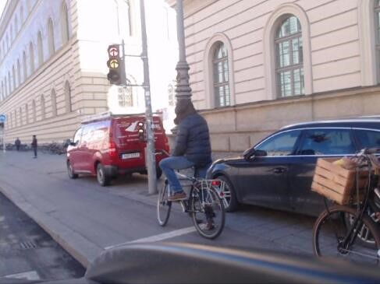 | 0503 | H3M reacted on the cyclist, when they ware already fall behind and got away from ego vehicle, which is unnecessary.
0508 | Overtake cyclists while accelerating; v < 30km/h | Alert Right Side < 5m Alert Duration: 00:00:02 - 00:00:06 | Unnecessary Alert Right Rear < 5m Alert Duration: 00:00:08 - | Alert Right Rear < 5m Alert Duration: 00:00:00 - 00:00:08 | 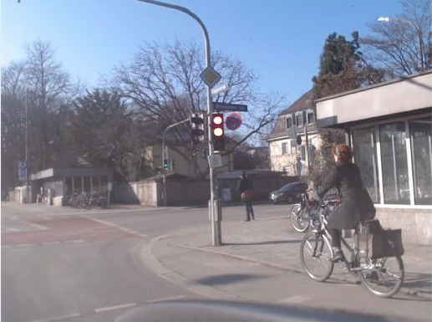 | 0508 | H3M reacted on the cyclist, when they ware already fall behind and got away from ego vehicle, which is unnecessary.
0506 | Left behind by a cyclists while accelerating; v < 30km/h | Alert Right Side 1m Alert Duration: 00:00:00 - 00:00:07 | Missing Alert | Alert Right Side 1m Alert Duration: 00:00:05 - 00:00:07 | 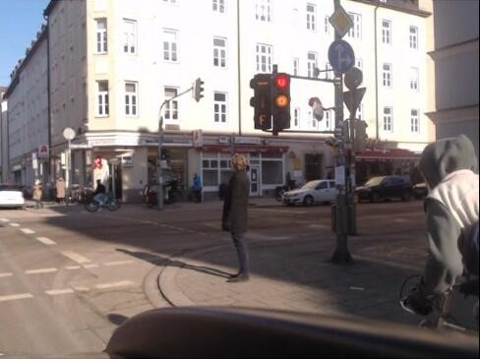 | 0506

06_Without_Bicycle_Lane
Test Results |  |  |  |  |  | Video | Comment
ID | Description | Autel | H3M | Preco | Screenshoot
0601 | Approached by a cyclist while stop; v = 0km/h | Delayed Alert Right Side 1m Alert Duration: 00:00:08 - 00:00:11 | Alert Right Rear < 5m Alert Duration: 00:00:06 - 00:00:10 | Delayed Alert Right Side 1m Alert Duration: 00:00:08 - | 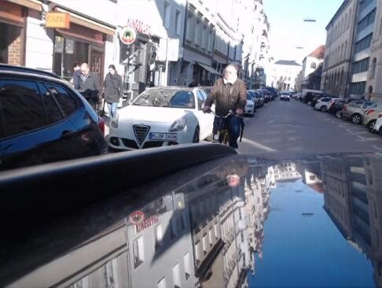 | 0601
0602 | Approach a cyclist with a constant speed; v < 30km/h | Alert Right Side < 5m Alert Duration: 00:00:03 - 00:00:04 | Unnecessary Alert Right Rear < 5m Alert Duration: 00:00:04 - | Missing Alert | 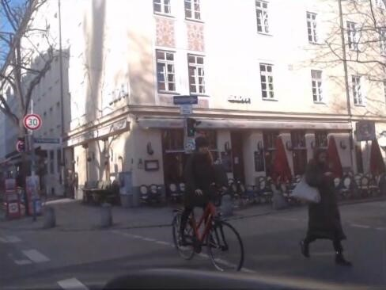 | 0602 | H3M reacted on the cyclist, when they ware already fall behind and got away from ego vehicle, which is unnecessary.
0605 | Overtake a cyclist while accelerating; v < 30km/h | Alert Right Front < 5m Alert Duration: 00:00:08 - 00:00:12 | Unnecessary Alert Right Rear < 5m Alert Duration: 00:00:12 - 00:00:16 | Missing Alert | 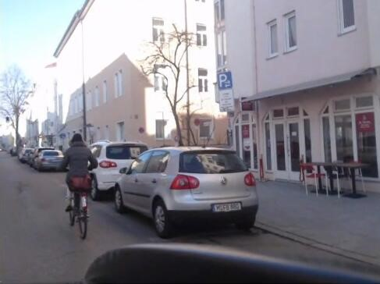 | 0605 | H3M reacted on the cyclist, when they ware already fall behind and got away from ego vehicle, which is unnecessary.
0606 | Approach a cyclist with a constant speed; v < 30km/h | Alert Right Front < 10m Alert Duration: 00:00:03 - | Delayed Alert Right Front < 5m Alert Duration: 00:00:05 - 00:00:08 | Missing Alert | 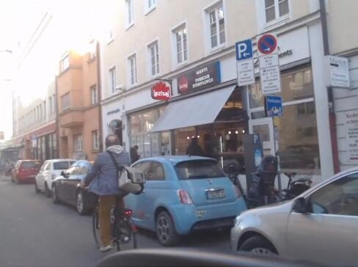 | 0606
0607 | Approached by a cyclist while decelerating, then overtake; v < 30km/h | Alert Right Front < 5m Alert Duration: 00:00:04 - 00:00:10 | Unnecessary Alert Right Rear < 5m Alert Duration: 00:00:14 - | Alert Right Front < 5m Alert Duration: 00:00:04 - 00:00:10 | 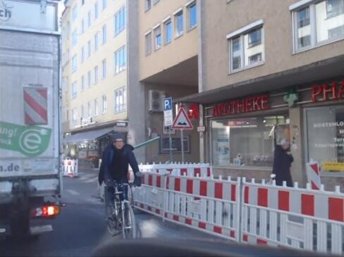 | 0607 | H3M reacted on the cyclist, when they ware already fall behind and got away from ego vehicle, which is unnecessary.
0608 | Approached by a cyclist while stop; v = 0km/h | Delayed Alert Right Side 1m Alert Duration: 00:00:11 - | Alert Right Rear < 5m Alert Duration: 00:00:10 - | Delayed Alert Right Side 1m Alert Duration: 00:00:10 - | 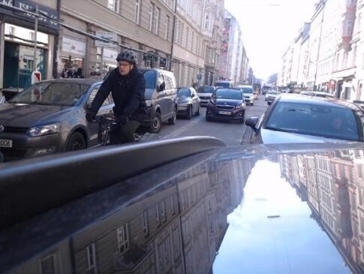 | 0608
0611 | Approach a cyclist while decelerating, then overtake; v < 30km/h | Alert Right Front < 10m Alert Duration: 00:00:03 - 00:00:05 00:00:10 - 00:00:15 | Alert Right Rear < 10m Alert Duration: 00:00:03 - 00:00:04 00:00:07 - 00:00:14 | Delayed Alert Right Rear < 5m Alert Duration: 00:00:04 - 00:00:10 | 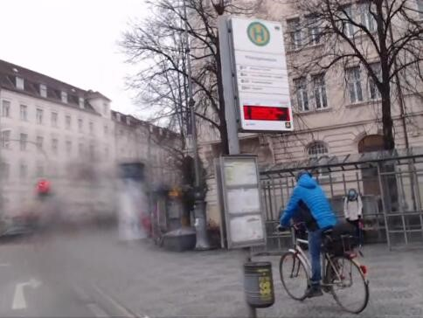 | 0611
0609 | Overtake a cyclist with a constant speed; v < 30km/h | Delayed Alert Right Front < 5m Alert Duration: 00:00:02 - 00:00:05 | Alert Right Front < 10m Alert Duration: 00:00:01 - | Missing Alert | 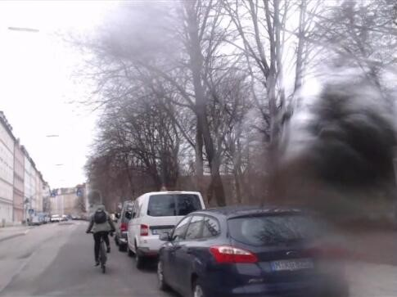 | 0609

